Resonance
Calculation of Impedances ZL og ZC, Resonance Frequency, Cut Off Frequency |  |  |  |  |  |  | Effective Copper diameter |  | Gauge | 0.0025 |  |  | Copper | δ = (ρ/pi*f*µₒ*µr)^-2 [m] | f = (ρ/PI*δ²*µₒ*µr [kHz) | Resistance [Ohm/m] at 20°C |  |  |  |  |  |  |  | fres
Insert values | L in µH | and | R in Ohm | and | C in µF |  | for standard wire |  | AWG | D wire mm | A wire mm² | N/cm | Resonance Frequency kHz | Skin depth mm | Maksimal frequency kHz |  | Frekvens KHz |  |  | 58 | 63 | 68 | 73 | 78 | 83 | 88 | 93 | 98 | 103
 | 1,277.9766 | µH | 622.31 |  | 0.00330000 | µF | AWG | Wire mm | 30 | 0.2546 | 0.050910 | 39 | 77.50 | 0.2342 | 285.576 | 0.32960 | ZL Ohm | 0.0012779766 | ZL=2*π*f*L | 462 | 502 | 542 | 582 | 622 | 662 | 703 | 743 | 783 | 823
 | 1.2780 | mH | 77,500 | Hz | 3.3000 | nF | 40 | 0.0799 |  | 0.24399816156 |  |  |  |  | 0.00012200 |  | ZC Ohm | 0.0000000033 | ZC=1/2*π*f*C | 839 | 772 | 715 | 665 | 622 | 585 | 551 | 521 | 495 | 471
 | 1.28E-03 | Henry | 77.50 | KHz | 3,300.00 | pF | 39 | 0.0897 |  | 0.95835884354 |  |  |  |  | m |  | ZL ZC fres |  |  | 462 | 502 | 542 | 582 | 622 | 585 | 551 | 521 | 495 | 471
 |  |  | 0.078 | MHz | 3.3000000E-09 | Farad | 38 | 0.101 | A frequency of | 77.50 | kHz | has a skin depth of | 0.2342 | mm | in
ZL=2*π*f*L | 622.31 | Ohm |  | ZC=1/2*π*f*C | 622.31 | Ohm | 37 | 0.113 | A frequency of 77,5 kHz has a skin depth of 0,2342 mm in Copper
 | 0.622 | K Ohm |  |  | 0.622 | K Ohm | 36 | 0.127
When ZL = ZC we have calculated fres, which is presented below |  |  |  |  |  |  | 35 | 0.143 | Max effective wire diameter |  |  |  |  | 0.468 | mm
fres=1/(2*π*KVROD(L*C)) |  |  | 77,500 | Hz | A frequency of 77,5 kHz has a skin depth of 0,2342 mm in Copper |  | 34 | 0.160 | Max effective wire diameter 0,4684 mm
 |  |  | 77.5 | KHz | Max effective wire diameter 0,4684 mm |  | 33 | 0.180
 |  |  | 0.078 | MHz |  |  | 32 | 0.202 | Maksimal frequency |  |  |  | 285.576 |  | kHz
 | Charging |  | Time delay |  | Discharging |  | 31 | 0.227 | Maksimal frequency 285,576 kHz
 | 1*RC | 5*RC |  |  | 1*RC | 5*RC | 30 | 0.255
τL = L/R = Volt |  |  | 2.053615 | µsec |  |  | 29 | 0.286 | Skin depth at 63% |  |  |  | 0.1220 |  | mm
τC = C*R = Current |  |  | 2.053609 | µsec |  |  | 28 | 0.321 | Skin depth at 63% 0,122 mm
 |  |  |  |  |  |  | 27 | 0.361
Calculation of Inductance of an air Coil one layer with Copper wire |  |  |  |  |  |  | 26 | 0.405 | at Resonance Frequency |  |  |  | 77.50 |  | kHz
 |  |  |  |  |  |  | 25 | 0.455 | at Resonance Frequency 77,5 kHz
Insert the values of | N = turns | Ø mm mandrel | Spacing mm | Ø mm wire | Choose AWG Gauge | Choose wire material | 24 | 0.511
aircoil | 114 | 12.6 | 0.03 | 0.255 | 30 | Copper | 23 | 0.573 | δ = Skin depth at |  |  |  | 77.50 |  | kHz
L = (N² *r²)/(Kr*r+KL*l) = |  | 5.54E-05 | H |  | Select Gauge and material from drop-down list |  | 22 | 0.644 | δ = Skin depth at 77,5 kHz
 |  | 0.055354652109 | mH |  |  |  | 21 | 0.723
 |  | 55.3547 | µH | The selected wire has the following data: |  |  | 20 | 0.812 | DC Resistance of |  |  |  | Copper | wire
 |  | 55354.652 | nH | Maksimal frequency 285,576 kHz |  | Wire OK | 19 | 0.912 | DC Resistance of Copper wire
 |  | 55,354,652 | pH | Skin depth at 63% 0,122 mm |  | Wire OK | 18 | 1.024
 |  |  |  |  |  |  | 17 | 1.150 | µₒ | 1.2566370614E-06 | [H*m^-1 or N*A^-2]
Qres |  | 410 |  | 4.60 | Meter wire | Resistance of Copper wire 1,52 Ω | 16 | 1.291 |  |  |  |  |  |  |  | Skin depth mm
 |  |  |  |  |  |  | 15 | 1.452 | Material | Copper | Material | Ohm*mm²/m | ρ [Ω.m] | µr [Permeability] | Materials | Skin depth mm Copper
N = numbers of turns |  | 114 |  |  |  |  | 14 | 1.628 | Ohm*mm²/m | 0.01678 | Aluminium | 0.02648 | 2.65E-08 | 1.000020 | for aluminium | 0.2342
r = mean coil radius = (diameter mandrel + wire thickness)/2 |  | 6.43 | mm | Spacing is air between windings: |  |  | 13 | 1.828 | ρ [Ω.m] | 1.678E-08 | Copper | 0.01678 | 1.68E-08 | 0.999994 | for copper | 0.2342
Kr = radius constant |  | 228 |  | Enamelled Copper wire min 0,03 mm |  |  | 12 | 2.053 | µr [Permeability] | 0.999994 | Gold | 0.0224 | 2.24E-08 | 0.999493 | for gold | 0.2342
l = coil length |  | 32.41 | mm | Non enamelled Copper wire min 0,1 mm |  | walter | 11 | 2.305 | Materials | for copper | Lead | 0.22 | 2.20E-07 | 0.999983 | for lead | 0.2342
KL = length constant = |  | 254 |  |  |  |  | 10 | 2.588 | Skin depth mm Copper | 0.2342 | Nickel | 0.0699 | 6.84E-08 | 600.0000 | for nickel | 0.2342
I only include the diameter of interest for the "Hobby People" |  |  | 30 | AWG = | 0.255 | mm | 9 | 2.910 |  |  | Platin | 0.105 | 1.05E-07 | 1.000265 | for platin | 0.2342
Calculate the diameter of known AWG: |  |  | 0.255 | mm = | 30 | AWG | 8 | 3.260 |  |  | Silver | 0.01586 | 1.59E-08 | 0.999980 | for silver | 0.2342
Calculate AWG with a known diameter: |  |  | Select standard wire sizes from drop-down list |  |  |  | 7 | 3.660
AWG American Wire Gauge (U.S.) |  |  |  |  |  |  | 6 | 4.110 | δ = Skin depth at 77,5 kHz for copper 0,2342 Skin depth mm |  |  |  |  |  | Konstanter
SWG Standard (Sterling) Wire Gauge (UK) |  |  |  |  |  |  | 5 | 4.620 |  |  |  |  |  |  | 0.1270
N / cm are turns of wire in the whole "rounded down" numbers per cm |  |  |  |  |  |  | 4 | 5.190 | Skin effekt in | Copper | wire of an air coil [Resonance Sheet] |  |  |  | 92
Maximum frequency for 63 % skin depth for solid copper wire only indicated on the AWG system |  |  |  |  |  |  | 3 | 5.830 | Skin effekt in Copper wire of an air coil [Resonance Sheet] |  |  |  |  |  | 36
Calculate Skin Depth for other conductors: |  | http://www.siversima.com/rf-calculator/skin-depth-calculator/?gclid=CJOAwPGqrbICFWh2cAod3XAA2w |  |  |  |  | 2 | 6.540 |  |  |  |  |  |  | 39
 |  |  |  |  |  |  | 1 | 7.350 | of the conductor. Calculation here applies to |  |  | Copper |  |  | 0.1538
AWG: It is agreed that 36 AWG is 0,0050 inch or 0,127 mm in diameter and AWG 0000 is 0,4600 inches or 11,684 mm in diameter. |  |  |  |  |  |  |  |  | of the conductor. Calculation here applies to Copper. |  |  |  |  |  | 2.0078740157
Between No. 36 and No. 0000 is 40 AWG Nos. or projection 39. The ratio of the diameters is 0,4600 / 0,0050 = 92. |  |  |  |  |  |  |  |  |  |  |  |  |  |  | 0.15415945412
Above you can calculate the diameter when you know AWG or AWG when you know the diameter. |  |  |  |  |  |  | Udarbejdet af Jørgen Walter © |  | Calculation of Inductance of an air Coil one layer with |  |  |  | Copper | wire
 |  |  |  |  |  |  | www.walter-lystfisker.dk |  | Calculation of Inductance of an air Coil one layer with Copper wire |  |  |  |  |  | Skin depth equation
SWG: The base for the calculation system is "mil" is 0,001 inch, or 0,0254 mm. The main thread diameter (No. 7/0) agreed to be |  |  |  |  |  |  | COPYRIGHT © 2014
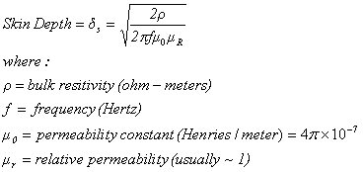
0,50 inches or 500 mil or 12,7 mm. The smallest thread diameter (No. 50) is adopted to be 0,001 inch or 1.000,000 mil or 0,0254 mm. |  |  |  |  |  |  |  |  | Skin effekt in | Copper | wire of a winded rod coil [Ferrite Rod Sheet]
 |  |  |  |  |  |  |  |  | Skin effekt in Copper wire of a winded rod coil [Ferrite Rod Sheet]
ZL and ZC as a function of the frequency The intersection is fres
 |  |  |  |  |  |  |  |  | Skin effekt in | Copper | wire of a winded bar coil [Ferrite Rod Sheet]
 |  |  |  |  |  |  |  |  | Skin effekt in Copper wire of a winded bar coil [Ferrite Rod Sheet]

 |  |  |  |  |  |  |  |  | Effective | Copper | diameter
 |  |  |  |  |  |  |  |  | Effective Copper diameter

 |  |  |  |  |  |  |  |  | Enamelled | Copper | wire min 0,03 mm
 |  |  |  |  |  |  |  |  | Enamelled Copper wire min 0,03 mm
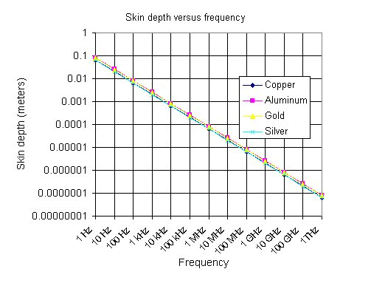
 |  |  |  |  |  |  |  |  | Non enamelled | Copper | wire min 0,1 mm
 |  |  |  |  |  |  |  |  | Non enamelled Copper wire min 0,1 mm

 |  |  |  |  |  |  |  |  | The diameter of the enamelled |  | Copper | wire is the effective diameter.
 |  |  |  |  |  |  |  |  | The diameter of the enamelled Copper wire is the effective diameter.

 |  |  |  |  |  |  |  |  | Resistance of | Copper | wire | 1.52 | Ω
 |  |  |  |  |  |  |  |  | Resistance of Copper wire 1,52 Ω

 |  |  |  |  |  |  |  |  | The selected | Copper | wire has the following data: |  | Maksimal frequency 285,576 kHz
 |  |  |  |  |  |  |  |  | The selected Copper wire has the following data: Maksimal frequency 285,576 kHz

walter |  |  |  |  |  |  | Reg.No.1252

Ferrite Rod
Rod Inductance Calculation with Fair-Rite Products Corp. Catalog Data Sheet
Mechanical Specifications for round rod |  |  |  | Read and paste |  |  |  | µₒ | Ae |  | Copper |  |  | Max frequency kHz
 | Ferrite rod diameter | Ferrite rod length | Coil length | Irod/Drod | µrod | Modifier factor | K Inductance modifier | in vaccum | Area of the rod | Nos. Of turns | Wire diameter | Gauge |  | 286
 | Drod = cm | Irod = cm | Ic = cm | Figure 65 | Figure 65 | Ic / Irod | Figure 2 | 4*phi*10^-7 | cm² | N | mm | 30 | AWG | Skin depth 63% mm
 | 1 | 10 | 3.6 | 10.00 | 42 | 0.36 | 1.8 | 1.2566370614E-06 | 0.7854 | 131 | 0.255 |  |  | 0.122
Coil diameter |  | 1.26 | cm | The diameter of the enamelled Copper wire is the effective diameter. |  |  |  |  |  | 0.03 | mm | Spacing
Rod material permeability |  | 110 | µi | Insulation and air between windings to be added. Named spacing |  |  |  |  |  | 3.73 | cm | Real coil length incl. Isolation
Lrod = K * µₒ * µrod * (N² * Ae / Irod) * 10^4 [µH] = |  |  |  |  | 1280.45 | µH | This calculation is performed after data sheet |  |  | 1.04 |  | Nos. Of layer
 |  |  |  |  |  |  |  |  |  | 5.51 | Meter | Length of wire incl. 20 cm connection leads
Bar Inductance Calculation with the circumference of the bar converted with a diameter
Mechanical specifications for rectangular bar |  |  |  | Read and paste |  |  |  | µₒ | Ae |  | Copper |  |  | Max frequency kHz
Ferrite bar width | Ferrite bar thickness | Ferrite bar length | Coil length | Ibar/Dbar | µrod | Modifier factor | K Inductance modifier | in vaccum | Area of the bar | Nos. Of turns | Wire diameter | Gauge |  | 285.576
W = cm | T = cm | Ibar = cm | Ic = cm | Figure 65 | Figure 65 | Ic / Ibar | Figure 2 | 4*phi*10^-7 | cm² | N | mm | 30 | AWG | Skin depth 63% mm
0.77 | 0.285 | 5 | 1.6 | 7.44 | 40 | 0.320 | 2.0 | 1.2566370614E-06 | 0.2194 | 172 | 0.255 |  |  | 0.122
Fictive coil diameter |  | 0.6716 | cm | The diameter of the enamelled Copper wire is the effective diameter. |  |  |  |  |  | 0.03 | mm | Spacing
Bar material permeability |  | 110 | µi | Insulation and air between windings to be added. Named spacing |  |  |  |  |  | 4.38 | cm | Real coil length incl. Isolation
Lbar = K * µₒ * µrod * (N² * Ae / Ibar) * 10^4 [µH] = |  |  |  |  | 1305.34 | µH | This calculation is approximate |  |  | 2.74 |  | Nos. Of layer
 |  |  |  |  |  |  |  |  |  | 4.25 | Meter | Length of wire incl. 20 cm connection leads
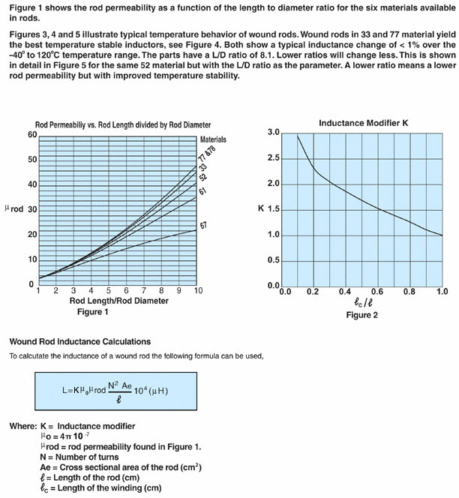
Analog values
Rod circumference | 3.1416 | cm |  |  |  |  |  |  | 1st. Insert the mechanical values ​​of the ferrite rod/bar in the yellow fields.
Bar circumference | 2.1100 | cm |  |  |  |  |  |  | 2nd. Read Irod/Drod and Ic/Irod ratios. ​​locate urod and K
Bar "diameter" fictive | 0.6716 | cm |  |  |  |  |  |  | inductance modifier. Insert values ​​in the Read and paste in the yellow fields
ROD |  |  |  |  |  |  |  |  | 3rd. Insert the number of turns of the coil and select the appropriate wire diameter
Coil form circum. Min | 3.9584 | cm |  |  |  |  |  |  | 4th. Read the coil inductance in the green field.
Coil form circum. Max | 4.1436 | cm |  |  |  |  |  |  | 5th. Use a Goal Seek in "What-if analysis" if a new value for L to be found
Coil form circum. Avg | 4.0510 | cm
BAR |  |  |  |  |  |  |  |  | Click Data
Coil form circum. Min | 2.1100 | cm |  |  |  |  |  |  | Click on the What-If Analysis
Coil form circum. Max | 2.5994 | cm |  |  |  |  |  |  | Click on Goal Seek
Coil form circum. Avg | 2.3547 | cm |  |  |  |  |  |  | Set cell: F7
 |  |  |  |  |  |  |  |  | To value: 800
 |  |  |  |  |  |  |  |  | By changing cell: K5
 |  |  |  |  |  |  |  |  | Click OK
 |  |  |  |  |  |  |  |  | Read the new values ​​of L and N

 |  |  |  |  |  |  |  |  | FIG. 65 can be found on my website

 |  |  |  |  |  |  |  |  | FIG. 1 on the left is for Fair-Rite Products

 |  |  |  |  |  |  |  |  | You are welcome to use my spreadsheet in your work,

 |  |  |  |  |  |  |  |  | but remember to save the results, drag the program

 |  |  |  |  |  |  |  |  | into your own PC and save it there.

 |  |  |  |  |  |  |  |  | The program is linked to my website:

 |  |  |  |  |  |  |  |  | Udarbejdet af Jørgen Walter ©

 |  |  |  |  |  |  |  |  | www.walter-lystfisker.dk

 |  |  |  |  |  |  |  |  | COPYRIGHT © 2014

walter |  |  |  |  |  |  |  |  |  |  |  |  |  | Reg.No.1252

